Instructions
These questions will help you choose the workbook tabs you need to complete: |  | Select Yes or No
Are you requesting reimbursement for non-contracted, hourly, and/or salaried personnel?
Are you requesting reimbursement for contracted personnel or services, equipment/supplies, or parking/mileage/travel?

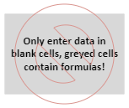

 | Yes
 | No

