Instructions
Colorado Judicial Department
Eviction Legal Defense Fund
Annual Grant Report
This Excel spreadsheet must be completed and attached to your ELDF Annual Report form and submitted via AmpliFund.
Email questions to EvictionLegalDefenseFund@judicial.state.co.us

Report due date:
July 31, 2024 (covering services provided July 1, 2023 to June 30, 2024)

Step 1: Rename and save file as follows: FY24 Annual Report YourOrgName
Example: FY24 Annual Report ABC Non-Profit

Step 2: Fill out Detailed Service Data report tab. These data are required by statute.
Review the definitions of each type of service before completing this report.
Provide data for each eligible client served with ELDF funds during the reporting period, including those with pending/unresolved cases.
All columns must be completed for each client. If you have missing data, provide an explanation in the narrative portion of the AmpliFund report.
If the column features a drop-down menu, you are required to use the drop-down options. An error message will occur otherwise.
Formulas and formatting continue through row 2500, if you have more rows to report, simply copy them down.
If your organization doesn't keep detailed data on individuals attending clinics and similar events, report summary data on the Clinic Data tab.

Step 3: Fill out Clinic Data tab. These data are required by statute.
Review the definition of educational clinic before completing this report. Classes, training courses, resource fairs, and similar events may count as clinics.
Fill out this tab only if your organization does not collect detailed data on individuals attending clinics and similar events.

Step 4: Upload the completed report in AmpliFund.
Log into your AmpliFund grant account. Navigate to your grant details by selecting Grant Management and then Grants.

Select your Award by clicking it in the Name column.

The Award Screen will display. From the top menu sleect Custom. In the drop down tab select "ELDF Annual Report".
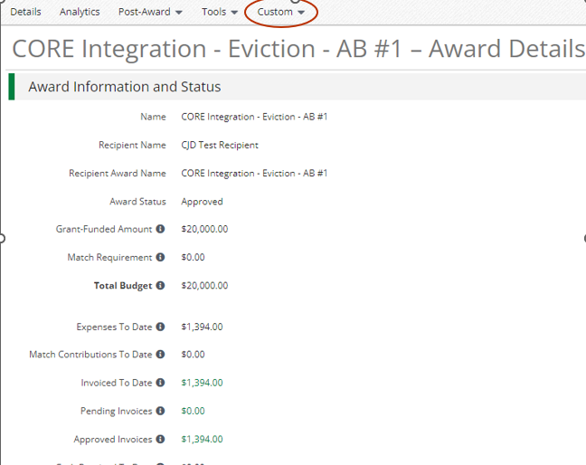

Fill out the required narrative sections of the report and upload your completed service data file in Excel format. DO NOT UPLOAD A PDF OR ANY OTHER FORMAT; IT WILL BE REJECTED.

